solution 1
step-1
HYPOTHESIZE: The autism's theory is that the proportion of nation children.who autism is higherf then the national proportion, which is the alternative hypothesis.The null hypothesis is that the proportion nation children does not differ from the national average.The hypotheses for this problem are Ho: P=0.05 HA: P>0.05

step-2
TEST:
STEP 2. The statistical test to be used is sample proportion (Z -Test)

the sample proportion Z-Test formula is

step-3
STEP 3.The Type I error rate is .05
α= 0.05
step-4
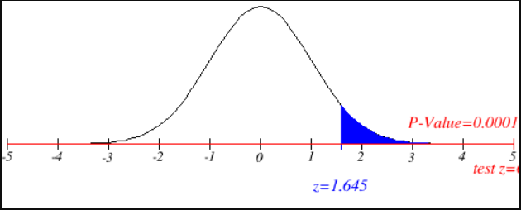
STEP 4. This test is a one-tailed test, and the table value is The sample results must yield an observed z value greater than 1.645 for the autism to reject the null hypothesis. The following diagram shows z.05 and the rejection region for this problem.

step-5
STEP 5. The gathered data are shown.
n = 384 and x = 46

The proportation formula is P^ = x/n

Step-6
STEP 6. z test value for proportion is

step-7
ACTION: STEP 7. Because z = 6.204 is beyond zcritical = 1.645 in the rejection region, the autism rejects the null hypothesis. The probability of obtaining a z = 6.204 by chance is 0 . Because this probability is less than the null hypothesis is also rejected with the p-value. On the basis of the random sample, the producer is ready to conclude that the nation's children had autism is higher than the national proportion.

step-8
BUSINESS IMPLICATIONS:
STEP 8. If the proportion of nationls children had autism is not enof to claim the population proportion of 0.05.it has been incersed because of claimed that increased certain chemicales in the enviroment like air pollution & lead, pesticides which are using in forming, automotives which we are using like car's, bikes, etc & when they burn coal,cuse oil and gasoline and wood the PAHs will increse in air and plastic and PFC's which contain fluorine etc that causes autism. Is a proportion of almost .15 really a substantive increase over .05? Certainly the autism in children, an increase of almost 15% during 1980s.

With the critical value method, a sample proportion greater than .0682 must be obtained to reject the null hypothesis. The sample proportion for this problem is .119, so the null hypothesis is also rejected with the critical value method.

solution 3
step-1
HYPOTHESIZE:given data that is 44% of adults have naver smoked and the 1995 population has more then 44% adults has never smoked. Ho: P=44%=0.44 HA: P>44%=0.44

step-2
TEST:
STEP 2. The statistical test to be used is z - test

the Z-Test formula is

step-3
STEP 3.given confidence level is 98% then significance level=100-confidence level
α = 100-98=2%=0.02
α= 0.02
step-4
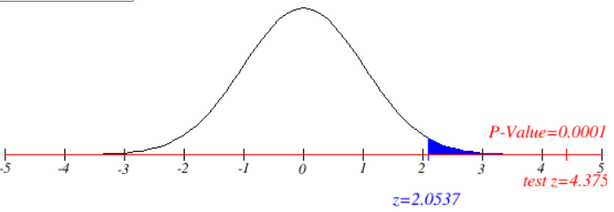
STEP 4. This test is a one-tailed test, and the table value is The sample results must yield an observed z value greater than z critical= 2.0537 will reject the null hypothesis. The following diagram shows z.02 and the rejection region for this problem.

step-5
STEP 5. The gathered data are shown.
n = 891 and x = 463

The proportation formula is P^ = x/n

Step-6
STEP 6. z test

step-7
ACTION: STEP 7. Because z = 4.375 is greaterthen zcritical = 2.0537 in the rejection region, rejects the null hypothesis.

step-8
BUSINESS IMPLICATIONS:
STEP 8. the adulte population who has never smoked is more then 44%. It means that 44 persent of the adultes dosent like smoking.

solution 4
step-1
HYPOTHESIZE:given data that the distance from the lens to the object and s2 is the distance from the lens to the real image of the objec Ho: µ1 = µ2 HA: µ1≠ µ2

step-2
TEST:
STEP 2. The statistical test to be used is z - test two samples we have two sample and it is
two tailed test
the Z-Test two sample formula is

step-3
STEP 3.we take significance level=5%
α = 5%
α= 0.05
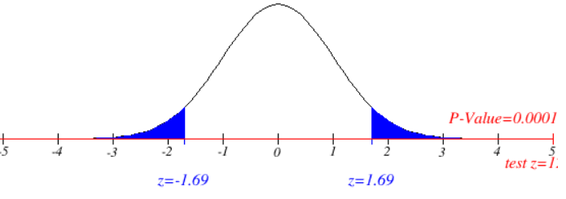
step-4
STEP 4. This test is atwo-tailed test, and the table value is The sample results must yield an observed z score greater than z critical= ±1.96 will reject the null hypothesis. The following diagram shows z.05 and the rejection region for this problem.

p-value is 0.0001

step-5
STEP 5. The gathered data are shown.
$\overline{s_{1}}$=26.6 $\overline{s_{2}}$=13.8 given sample mean
$$σ_{1}=0.1 σ_{2}=0.5 given standard deviation$$
$$n_{1}=25 n_{2}=25 given samoe$$

Step-6
STEP 6. z test

step-7
ACTION: STEP 7. Because z = 4.375 is greaterthen zcritical = 2.0537 in the rejection region, rejects the null hypothesis.
we know that z-score valie 125.514 is grater then the z-critical 1.95 thenthe null hypothesis
will rejected
p-value
p-value = 0.0001
we know that p-value < signifiene value i,e 0.001 < 0.05 then we wll reject the null hypothesis
step-8
BUSINESS IMPLICATIONS:
STEP 8. from this test we cn say that distance from lens to object s1 and distance from lens to real image are not same

solution 5
step-1
HYPOTHESIZE:
STEP 1. The body temperature in degrees Fahrenheit of 52 sample that the nean body temperature

Ho : mean of the body temperature is 98.6◦ | µ= 98.6
H1: the mean of the body temperature is not equal to 98.6◦ | µ ≠98.6

step-2
TEST:
STEP 2. The statistical test to be used is two tailed test of t test

step-3
STEP 3. The given significance level is α = 0:02

step-4
STEP 4. With 52 data points, df = n - 1 = 52 - 1 = 51. This test is two tailed, and the
critical table t value is

t.02,51= 2.1076
The decision rule is to reject the null hypothesis if the observed test statistic is greater than 2.1076.

step-5
STEP 5. The gathered data are shown.
$$n=52 \overline{x}=98.2846 s=0.684$$
$$Df=n−1=52−1=51$$

Step-6
STEP 6. The sample mean is 98.2846 and the sample standard deviation is 0.684.
The observed t value is


step-7
ACTION: STEP 7. The observed t value of 2.1076 is greater than the table t value of -3.332, so we will rejects the null hypothesis. So the mean dody temp is not equal to 98.6

step-8
BUSINESS IMPLICATIONS:
the body temperature will be some time greater then the 98.6 or l;ess then the 98.6

solution 6(c)
step-1
HYPOTHESIZE:
STEP 1. drivers of the car calling for regular gas and some time prenium in the hope of of
improve gas mailage

$$μ_{R}= μ_{P}$$
Ho :
H1: | µR < µP

$$t= \frac{\left(\overline{x_{1}}−\overline{x_{2}}\right)−0}{\sqrt{\frac{{s_{1}}^{2}}{n_{1}}+\frac{{s_{2}}^{2}}{n_{2}}}}$$
step-2
TEST:
STEP 2. The statistical test to be used is two sample t test

step-3
STEP 3. The value of alpha is .05.

step-4
STEP 4. With 20 data points, if we calculate df = 17.973 ≈ 18. This test one tailed, and the
from table P value is

P= 0.1143 (from formula = T.DIST(-1.2463,18,TRUE))
The decision rule is to reject the null hypothesis if the observed P value is less than alpha.
0.11431549228
step-5
STEP 5. The gathered data are shown.

Step-6
STEP 6. The sample mean of given data is x1=23.1 & x2=25.1 and
the sample standard deviation is s1=3.725 & s2=3.446

The observed t value is

step-7
ACTION: STEP 7. The observed p value is 0.114 is greater than the alpha value 0.05, so there is not enough evidence to reject the null hypothesis.the alternative hypothesis and concludes that the gas mileage is not equal for regular & premium.

step-8
BUSINESS IMPLICATIONS:
STEP 8. the test which was done by the company is that it means to have a good mileage.
the average mileage of cars using between the regular and premium gas had increased by
all most 2% . This is mean that the premium gas is more pure in quality then the regular gas.
and it is also depended up on the drivers how are driving cars, that is some of them are dirving
fast or some of them driving slow.

solution 6(d)
step-1
HYPOTHESIZE:
STEP 1. drivers of the car calling for regular gas and some time prenium in the hope of of
improve gas mailage

$$μ_{R}= μ_{P}$$
Ho :
H1: | µR ≠ µP

$$t= \frac{\left(\overline{x_{1}}−\overline{x_{2}}\right)−0}{\sqrt{\frac{{s_{1}}^{2}}{n_{1}}+\frac{{s_{2}}^{2}}{n_{2}}}}$$
step-2
TEST:
STEP 2. The statistical test to be used is two sample t test

step-3
STEP 3. The value of alpha is .05.

step-4
STEP 4. With 20 data points, if we calculate df = 17.973 ≈ 18. This test is two tailed, and the
critical table t value is

t.05,18= ±2.1009 (from table)
The decision rule is to reject the null hypothesis if the observed test statistic is greater than 2.1009.

step-5
STEP 5. The gathered data are shown.

Step-6
STEP 6. The sample mean of given data is x1=23.1 & x2=25.1 and
the sample standard deviation is s1=3.725 & s2=3.446

The observed t value is

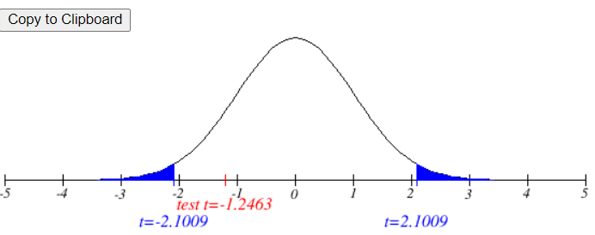
step-7
ACTION: STEP 7. The observed t value of 2.1009 is greater than the table t value of -1.2463, so there is not enough evidence to reject the null hypothesis.the alternative hypothesis and concludes that the gas mileage is not equal for regular & premium.

step-8
BUSINESS IMPLICATIONS:
STEP 8. the test which was done by the company is that it means to have a good mileage.
the average mileage of cars using between the regular and premium gas had increased by
all most 2% . This is mean that the premium gas is more pure in quality then the regular gas.
and it is also depended up on the drivers how are driving cars, that is some of them are dirving
fast or some of them driving slow.

if we compare the t test of p value to the two sample two test in the both the cases
the null hypotheses is not rejectihg. There for the alternate hypotheses is true.

solution 7
given data
children | adult
40.3 | 20
55 | 30.2
45.7 | 2.2
43.3 | 7.5 | summary of two data sets
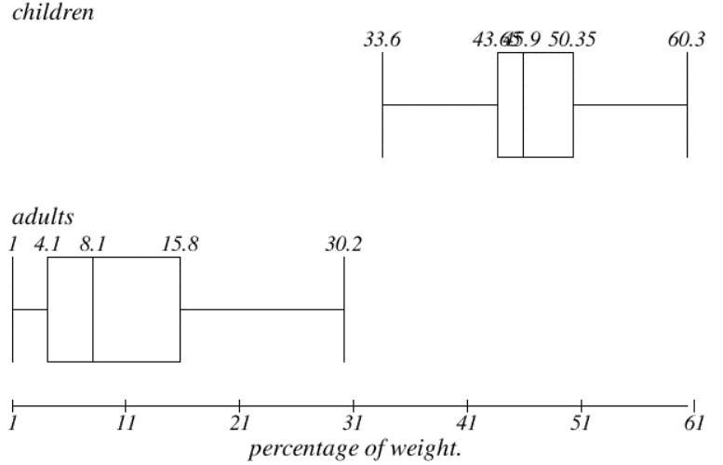
50.3 | 4.4
45.9 | 22.2
53.5 | 16.6 | children |  | adult
43 | 14.5
44.2 | 21.4 | Mean | 46.8 | Mean | 10.168965517
44 | 3.3 | Standard Error | 1.4724765311 | Standard Error | 1.3881988849
33.6 | 10 | Median | 45.9 | Median | 8.1
55.1 | 1 | Mode | 44 | Mode | 4.4
48.8 | 4.4 | Standard Deviation | 6.4183763956 | Standard Deviation | 7.4756797803
50.4 | 1.3 | Sample Variance | 41.195555556 | Sample Variance | 55.885788177
37.8 | 8.1 | Kurtosis | 0.27118091438 | Kurtosis | 0.16074118667
60.3 | 6.6 | Skewness | 0.12144365712 | Skewness | 0.86121726012
46.6 | 7.8 | Range | 26.7 | Range | 29.2
47.4 | 10.6 | Minimum | 33.6 | Minimum | 1
44 | 10.6 | Maximum | 60.3 | Maximum | 30.2
 | 16.2 | Sum | 889.2 | Sum | 294.9
 | 14.5 | Count | 19 | Count | 29
 | 4.1
 | 15.8
 | 4.1
 | 2.4
 | 3.5
 | 8.5
 | 4.7
 | 18.4

